Network_v6_conn
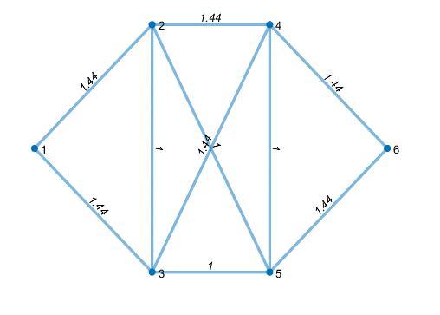
dummy | identifier | from | to | edgelist | distance | Road Max Delta Altitude | nodeid | X_coor | Y_coor | Elevation [m] | Traffic Demand [cars/mile] | Clearance Height [m] | Capacity | heights
1 | 1 | 1 | 2 | 1 | 1.000 | 0 | 1 | 0.00000000000 | 0.00000000000 | 12 |  |  | 1
1 | 1 | 1 | 3 | 2 | 4.000 | 1.8 | 2 | 1.00000000000 | 1.00000000000 | 12 |  |  | 4 |  | 0.6459411341
1 | 1 | 2 | 4 | 3 | 2.000 | 1.6 | 3 | 1.00000000000 | -1.00000000000 | 10 |  |  | 5
1 | 1 | 2 | 5 | 4 | 2.000 | 0.3 | 4 | 2.00000000000 | 1.00000000000 | 9 |  |  | 2
1 | 1 | 2 | 3 | 5 | 5.000 | 0.65 | 5 | 2.00000000000 | -1.00000000000 | 11 |  |  | 4
1 | 1 | 3 | 4 | 6 | 6.000 | 1.3 | 6 | 3.00000000000 | 0.00000000000 | 10 |  |  | 8
1 | 1 | 3 | 5 | 7 | 3.000 | 1.2 | 7 |  |  |  |  |  | 3
1 | 1 | 4 | 5 | 8 | 6.000 | 0.9 | 8 |  |  |  |  |  | 1
1 | 1 | 4 | 6 | 9 | 3.000 | 1 | 9 |  |  |  |  |  | 3
1 | 1 | 5 | 6 | 10 | 2.000 | 0.4 | 10 |  |  |  |  |  | 6

